Sheet1
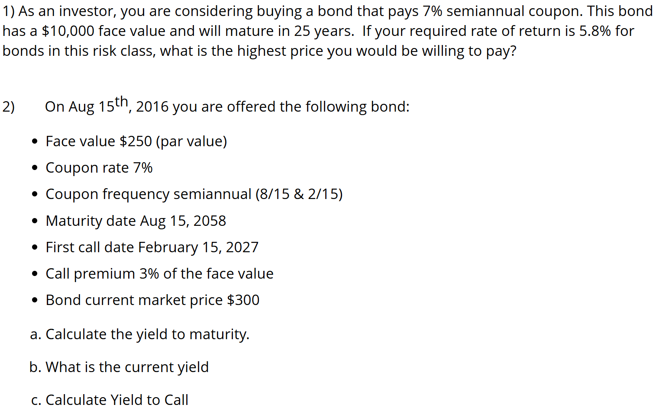
q1 | FV | 10000
 | n | 50
 | c | 4%
 | r | 2.90%
 | Coup Pay | 350
 | PV | $11,573.53

q2 | FV | 250
 | c | 4%
 | n | 84
 | call date | 10.5
 | coup pay | 8.75
 | price | 300

a) | YTM | 4%

b) | Current Yield | 6%

c) | YTC | 5%

 | Call Price | 257.5
 | new n | 21

